Report
Business Report | as of 12/20/2023 |  |  | FY 2023

Checking: | Key Bank |  | General Savings: | Vanguard (3) | General Accounts FY | PM Accounts: | Vanguard | Key Bank (PM) | PM Accounts YTD
Balance Forward | $20,615.13 |  | Balance Forward | $129,700.97 | $150,316.10 | Balance Forward | $352,350.00 | $- | $352,350.00
Receipts/Deposit | $126,691.57 |  | Receipts/Deposits |  |  | Receipts/Deposits |  | $- | $-
Expenses | $111,820.57 |  | Expenses |  |  | Expenses |  | $- | $- |  | KeyBank | Jan | Feb | Mar | Apr | May | Jun | Jul | Aug | Sep | Oct | Nov | Dec | Totals
Balance | $35,334.13 |  | Balance | $142,465.33 | $177,799.46 | Balance | $359,155.98 | $- | $359,155.98 |  |  |  | 2023-02-28 | 2023-03-31 | 2023-04-30 | 2023-05-31 | 2023-06-30 | 2023-07-31 | 2023-08-31 | 2023-09-30 | 2023-10-31 | 2023-11-30
 |  |  |  | YTD2023 | $27,483.36 |  |  | YTD2023 | $6,805.98 |  | Opening | $20,615.13 | $20,562.92 | $24,153.83 | $24,591.63 | $29,096.58 | $35,151.92 | $25,680.73 | $18,492.43 | $15,295.92 | $22,923.97 | $26,437.54
 |  |  |  |  |  |  |  |  |  |  | Deposits | $8,610.99 | $6,415.45 | $5,333.67 | $8,339.99 | $20,212.73 | $9,074.02 | $7,603.20 | $8,159.96 | $20,776.75 | $15,515.08 | $16,649.73 |  | $126,691.57
Net Income - YTD 2023
 |  |  |  |  |  |  |  |  |  |  | Expenses | $8,663.20 | $2,824.54 | $4,895.87 | $3,835.04 | $14,157.39 | $18,545.21 | $14,791.50 | $11,307.47 | $13,099.70 | $11,952.51 | $7,748.14 |  | $111,820.57
 |  |  |  |  |  |  |  |  |  |  | Closing | $20,562.92 | $24,153.83 | $24,591.63 | $29,096.58 | $35,151.92 | $25,680.73 | $18,492.43 | $15,295.92 | $22,923.97 | $26,437.54 | $35,334.13
Business Report | FY 2023 |  | Last Year (FY 2022) | Average (past 52 years) |  |  |  |  |  |  | change | ($52.21) | $3,590.91 | $437.80 | $4,504.95 | $6,055.34 | ($9,471.19) | ($7,188.30) | ($3,196.51) | $7,628.05 | $3,513.57 | $8,896.59 | $0.00 | $238,512.14
Grave Sales | 50 |  | 25 | 43
Interments - Full (total) | 18(56) |  | 16 (44) | 43 (combined)
Interments - Cremated | 38 |  | 28
Foundations | 35 |  | 19 | -

Section Availability | # Graves |  | Income - YTD | Net Income |  |  |  |  |  |  | V-GO | Jan | Feb | Mar | Apr | May | Jun | Jul | Aug | Sep | Oct | Nov | Dec | Totals
C | 4 |  | Donations | $2,132.74 |  |  |  |  |  |  | 7077 |  | 2023-02-27 | 2023-03-31 | 2023-04-28 | 2023-05-31 | 2023-06-30 | 2023-07-31 | 2023-08-31 | 2023-09-30 | 2023-10-31 | 2023-11-30
D | 13 |  | Foundation Income | $13,744.00 |  |  |  |  |  |  | Opening | $38,765.00 | $40,429.00 | $39,814.00 | $42,422.88 | $42,621.68 | $43,657.18 | $45,439.05 | $44,812.15 | $45,052.28 | $41,401.79 | $41,912.15
F* | 2 |  | Div/Int | $7,960.77 |  |  |  |  |  |  | Deposits
H | 1 |  | Interment Income | $30,300.00 |  |  |  |  |  |  | Expenses
J | 420 |  | Grave Sales | $49,500.00 |  |  |  |  |  |  | Closing | $40,429.00 | $39,814.00 | $42,422.88 | $42,621.68 | $43,657.18 | $45,439.05 | $44,812.15 | $45,052.28 | $41,401.79 | $41,912.15 | $46,562.53
K | 249 |  |  | $103,637.51 |  |  |  |  |  |  | change | $1,664.00 | ($615.00) | $2,608.88 | $198.80 | $1,035.50 | $1,781.87 | ($626.90) | $240.13 | ($3,650.49) | $510.36 | $4,650.38 | $0.00 | ($38,765.00)
Total Available: | 689
Total Sold: J & K | 337 | - | J & K: (since 6/2013) | 33% |  |  |  |  |  |  | V-GO | Jan | Feb | Mar | Apr | May | Jun | Jul | Aug | Sep | Oct | Nov | Dec | Totals
* Includes Buy-Backs | Donation Notes: |  | Vet Flag Holders (All) | $6,449.00 |  |  |  |  |  |  | V4: 9584
 | (since inception) |  | $$ for Trees (All) | $15,417.00 |  |  |  |  |  |  | Opening | $84,680.00 | $89,271.97 | $86,987.00 | $89,413.83 | $90,189.46 | $90,017.10 | $93,554.35 | $93,879.19 | $94,182.38 | $89,131.91 | $95,902.80
 |  |  |  |  |  |  |  |  |  |  | Deposits
 |  |  |  |  |  |  |  |  |  |  | Expenses
 |  |  |  |  |  |  |  |  |  |  | Closing | $89,271.97 | $86,987.00 | $89,413.83 | $90,189.46 | $90,017.10 | $93,554.35 | $93,879.19 | $94,182.38 | $89,131.91 |  | $95,902.80
Total Sold: J & K | Qry_Section_J-K_Sold Report (20230604).xlsx |  |  |  |  | Use Snipping tool to capture the above report and insert that file into the MS Word Minutes doc. |  |  |  |  | change | $4,591.97 | ($2,284.97) | $2,426.83 | $775.63 | ($172.36) | $3,537.25 | $324.84 | $303.19 | ($5,050.47) | ($89,131.91) | $0.00 | $0.00 | ($84,680.00)
Section Availabilty: | Use Access 'Qry_Sections_Availability_Graves_Summary'
 |  |  |  |  |  |  |  |  |  |  | V-GO Sum | $129,700.97 | $126,801.00 | $131,836.71 | $132,811.14 | $133,674.28 | $138,993.40 | $138,691.34 | $139,234.66 | $130,533.70 | $41,912.15 | $142,465.33 | $-

 |  |  |  | Total Graves in Cemetery |  |  | Graves Sold (20231201) |  |  |  | V-PM | Jan | Feb | Mar | Apr | May | Jun | Jul | Aug | Sep | Oct | Nov | Dec | Totals
 |  |  |  | Access DB: Master Ref |  |  | Access DB: Qry_Section_Lot_Grave_Sold_Summary
Financial Summary FY 2023*: |  |  |  | Row Labels | Count of GRAVE |  | Section | Sold |  |  | Opening | $352,350.00 | $353,800.00 | $352,468.00 | $350,507.61 | $355,098.55 | $341,479.78 | $351,898.70 | $358,930.49 | $356,965.44 |  | $338,591.70
General Operating: | PM Funds: |  |  | A | 1288 |  | A | 914 |  |  | Deposits |  |  |  |  |  |  |  |  |  |  |  |  | $-
$27,483.36 | $6,805.98 |  |  | B | 619 |  | B | 485 |  |  | Expenses |  |  |  |  |  |  |  |  |  |  |  |  | $-
* (compared to FY2021) |  |  |  | C | 601 |  | C | 598 |  |  | Closing | $353,800.00 | $352,468.00 | $350,507.61 | $355,098.55 | $341,479.78 | $351,898.70 | $358,930.49 | $356,965.44 | $338,591.70 |  | $359,155.98 |  | $-
 |  |  |  | D | 829 |  | D | 787 |  |  | change | $1,450.00 | ($1,332.00) | ($1,960.39) | $4,590.94 | ($13,618.77) | $10,418.92 | $7,031.79 | ($1,965.05) | ($18,373.74) | $0.00 | $20,564.28 | $0.00 | ($352,350.00)
 |  |  |  | F | 1649 |  | F | 1648
 |  |  |  | H | 137 |  | H | 136
 |  |  |  | J | 574 |  | J | 140 |  | Note: | Note: V-PM = Vanguard total assets - 2 V-GO accounts
 |  |  |  | K | 432 |  | K | 198
 |  |  |  | Grand Total | 6129 |  | J&K Total Sold: | 338 |  |  | V-PM | Jan | Feb | Mar | Apr | May | Jun | Jul | Aug | Sep | Oct | Nov | Dec | Totals
 |  |  |  |  |  |  |  |  |  |  | V1: 7016 | $78,966.00 | $78,583.00 | $76,782.66 | $78,228.92 | $74,711.24 | $78,555.50 | $80,458.97 | $80,085.74 | $74,935.17 |  | $79,871.13
 |  |  |  |  |  |  | Graves Available (20220904) |  |  |  | V2: 9513 | $45,543.00 | $45,448.00 | $46,631.04 | $46,863.05 | $46,225.50 | $45,801.15 | $45,350.80 | $45,044.35 | $43,222.31 |  | $45,326.14
 |  |  |  |  |  |  | Qry_Sections_Availability_Graves_Summary |  |  |  | V3: 9542 | $223,553.00 | $222,499.00 | $220,973.59 | $223,850.64 | $214,432.22 | $221,248.35 | $226,796.14 | $225,536.90 | $214,511.02 |  | $227,553.39
 |  |  |  | Total # J&K | 1006 |  | SEC. | CountOfGRAVE |  |  | V5: 997 | $1,334.00 | $1,381.00 | $1,423.20 | $1,431.48 | $1,420.99 | $1,463.52 | $1,470.70 | $1,464.62 | $1,377.36 |  | $1,489.47
 |  |  |  | Total # J&K SOLD | 337 |  | A | 374 |  |  | V6: 9555 | $4,404.00 | $4,557.00 | $4,697.12 | $4,724.46 | $4,689.83 | $4,830.18 | $4,853.88 | $4,833.83 | $4,545.84 |  | $4,915.85
 |  |  |  | Total % Sold | 33% |  | B | 134 |  |  |  | $353,800.00 | $352,468.00 | $350,507.61 | $355,098.55 | $341,479.78 | $351,898.70 | $358,930.49 | $356,965.44 | $338,591.70 |  | $359,155.98 | $-
 |  |  |  |  |  |  | C | 4
 |  |  |  |  |  |  | D | 13
 |  |  |  |  |  |  | F | 3
 |  |  |  |  |  |  | H | 1
 |  |  |  |  |  |  | J | 433
 |  |  |  |  |  |  | K | 253
 |  |  |  |  |  |  | J&K Total Avail: | 686

 |  |  | Qry_Section_J_Sold-or-Unavailable - pivot(20231201).xlsx
 |  |  |  | SECTION J:
 |  |  |  | TOTAL # GRAVES | 574
 |  |  |  | TOTAL # SOLD * | 154
 |  |  |  | Remaining #: | 420
 |  |  |  | TOTAL J % Sold *: | 26%

 |  |  |  | Main # Graves: | 430
 |  |  |  | Main # SOLD *: | 126
 |  |  |  | Main % Sold *: | 29%

 |  |  |  | CRE Area #: | 144
 |  |  |  | CRE Area # SOLD *: | 28
 |  |  |  | CRE Area % Sold *: | 19%

 |  |  |  | Note: * % SOLD or Not Available

 |  |  | Qry_Section_K_Sold-or-Unavailable - pivot (20231201).xlsx
 |  |  |  | SECTION K:
 |  |  |  | TOTAL # GRAVES | 432
 |  |  |  | TOTAL # SOLD * | 183
 |  |  |  | Remaining #: | 249
 |  |  |  | TOTAL K % Sold *: | 42%

 |  |  |  | Note: * % SOLD or Not Available

Account Map
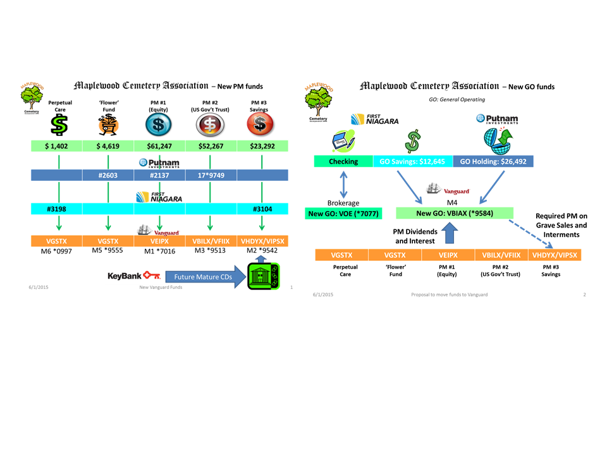
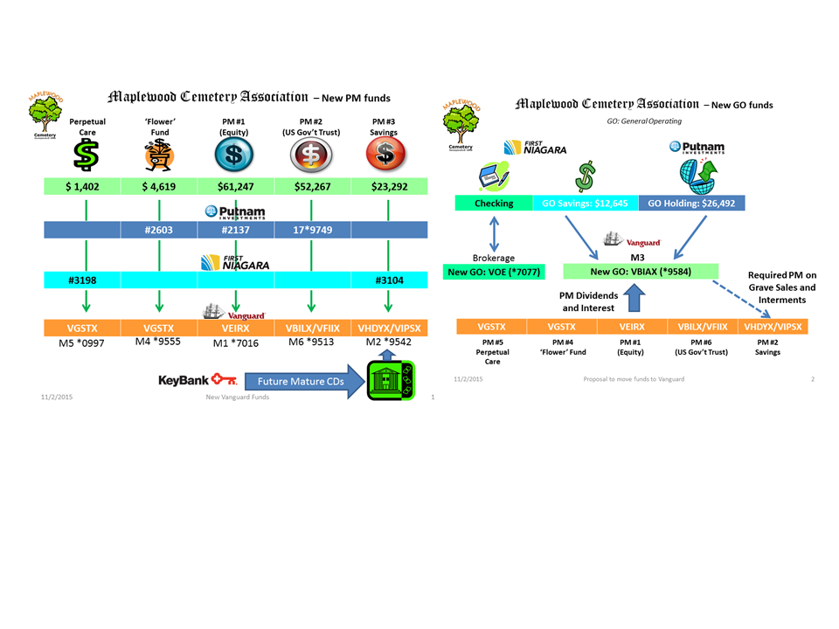

Expense Chart
General Account Expenses: |  | 2023 Expense Chart
Cemetery Services: Foundations | $17,203.00
Cemetery Services: Interments | $6,800.00
Contracts: Mowing Contract | $7,095.00
Equipment: Purchase | $-
Equipment: Fuel | $672.00
Gardens, Landscaping, Grounds Maint. | $5,248.00
Insurance | $2,125.00
Office Supplies | $1,534.00
Operations | $1,326.00
Payroll expenses (Total payroll cost) | $47,180.00
Utilities: Services | $4,075.00
PM - Interments | $1,820.00
PM - Sales | $4,570.00
 | $99,648.00

Bank Service Fees: Credit Card, Dep Slips, new checks | $957.51
Cemetery Services: Repairs (GVCS) | $-
Cemetery Services: Foundations (GVCS) | $17,203.00
Cemetery Services: Interments (GVCS) | $6,800.00
Cemetery Services: Other (GVCS) | $-
Cemetery Services: Winter Access Fee (GVCS) | $150.00
Contracts: Mowing Contract (Shafer) | $7,095.00
Dedication Event: Advertising, Supplies | $-
Development | $-
Donation Program: Plaques and Vet Flag Holders | $80.00
Equipment: Purchase | $-
Equipment: Repair, Supplies | $1,019.00
Equipment: Fuel | $672.00
Gardens and Landscaping: seed, fertilizer | $5,248.00
Grave Return, buy-back (1) | $1,200.00
Insurance: Multi-peril, Bond, Comp., DBL. | $2,125.00
NYS Association of Cemeteries: Fees-Dues | $48.00
NYS Div of Cemeteries: Cemetery Fees | $179.00
Office Supplies, signs, software | $1,534.00
Operations: maintenance - supplies | $1,326.00
Payroll expenses - Officers (Carol, Linda, Gary) | $19,690.00
Payroll expenses - Employees (Mark, Scott) | $27,490.00
Sunshine Account | $-
Utilities: Services | $4,075.00
 | $96,891.51

Vanguard Chart
