Report
Business Report | as of 2/27/2023 |  |  | YTD 2023

Checking: | Key Bank |  | General Savings: | Vanguard (3) | General Accounts FY | PM Accounts: | Vanguard | Key Bank (PM) | PM Accounts YTD
Balance Forward | $20,615.13 |  | Balance Forward | $129,700.97 | $150,316.10 | Balance Forward | $352,350.00 | $- | $352,350.00
Receipts/Deposit | $8,610.99 |  | Receipts/Deposits |  |  | Receipts/Deposits |  | $- | $-
Expenses | $8,663.20 |  | Expenses |  |  | Expenses |  | $- | $- |  | KeyBank | Jan | Feb | Mar | Apr | May | Jun | Jul | Aug | Sep | Oct | Nov | Dec | Totals
Balance | $20,562.92 |  | Balance | $126,801.00 | $147,363.92 | Balance | $352,468.00 | $- | $352,468.00 |  |  |  | 2023-02-27
 |  |  |  |  |  |  |  |  |  |  | Opening | $20,615.13 | $20,562.92
 |  |  |  |  |  |  |  |  |  |  | Deposits | $8,610.99 |  |  |  |  |  |  |  |  |  |  |  | $8,610.99
Net Income - YTD 2023
 |  |  |  |  |  |  |  |  |  |  | Expenses | $8,663.20 |  |  |  |  |  |  |  |  |  |  |  | $8,663.20
 |  |  |  |  |  |  |  |  |  |  | Closing | $20,562.92 | $22,120.00
Business Report | YTD 2023 |  | Last Year (FY 2022) | Average (past 52 years) |  |  |  |  |  |  | change | $(52.21) | $1,557.08 | $- | $- | $- | $- | $- | $- | $- | $- | $- | $- | $17,274.19
Grave Sales | 3 |  | 48 | 43
Interments - Full (total) | 3 (0) |  | 21 (55) | 43 (combined)
Interments - Cremated | 0 |  | 34 (4 Out of NY)
Foundations | 0 |  | 36 | -

Section Availability | # Graves |  | Income - YTD | Net Income |  |  |  |  |  |  | V-GO | Jan | Feb | Mar | Apr | May | Jun | Jul | Aug | Sep | Oct | Nov | Dec | Totals
C | 4 |  | Donations | $- |  |  |  |  |  |  | 7077 |  | 2023-02-27
D | 13 |  | Foundation Income | $- |  |  |  |  |  |  | Opening | $38,765.00 | $40,429.00
F* | 3 |  | Div/Int | $224.00 |  |  |  |  |  |  | Deposits
H | 1 |  | Interment Income | $2,400.00 |  |  |  |  |  |  | Expenses
J | 431 |  | Grave Sales | $3,600.00 |  |  |  |  |  |  | Closing | $40,429.00 | $39,814.00
K | 240 |  |  | $6,224.00 |  |  |  |  |  |  | change | $1,664.00 | $(615.00) | $- | $- | $- | $- | $- | $- | $- | $- | $- | $- | $(38,765.00)
Total Available: | 692
Total Sold: J & K | 335 | - | J & K: (since 6/2013) | 33% |  |  |  |  |  |  | V-GO | Jan | Feb | Mar | Apr | May | Jun | Jul | Aug | Sep | Oct | Nov | Dec | Totals
* Includes Buy-Backs | Donation Notes: |  | Vet Flag Holders (All) | $6,449.00 |  |  |  |  |  |  | V4: 9584
 | (since inception) |  | $$ for Trees (All) | $15,417.00 |  |  |  |  |  |  | Opening | $84,680.00 | $89,271.97
 |  |  |  |  |  |  |  |  |  |  | Deposits
 |  |  |  |  |  |  |  |  |  |  | Expenses
 |  |  |  |  |  |  |  |  |  |  | Closing | $89,271.97 | $86,987.00
Total Sold: J & K | Qry_Graves_Sold Report (20221218).xlsx |  |  |  |  | Use Snipping tool to capture the above report and insert that file into the MS Word Minutes doc. |  |  |  |  | change | $4,591.97 | $(2,284.97) | $- | $- | $- | $- | $- | $- | $- | $- | $- | $- | $(84,680.00)
Section Availabilty: | Use Access 'Qry_Sections_Availability_Graves_Summary'
 |  |  |  |  |  |  |  |  |  |  | V-GO Sum | $129,700.97 | $126,801.00 | $- | $- | $- | $- | $- | $- | $- | $- | $- | $-

 |  |  |  | Total Graves in Cemetery |  |  | Graves Sold (20220904) |  |  |  | V-PM | Jan | Feb | Mar | Apr | May | Jun | Jul | Aug | Sep | Oct | Nov | Dec | Totals
 |  |  |  | Access DB: Master Ref |  |  | Access DB: Qry_Section_Lot_Grave_Sold_Summary
Financial Summary FY 2022*: |  |  |  | Row Labels | Count of GRAVE |  | Section | Sold |  |  | Opening | $352,350.00 | $353,800.00
General Operating: | PM Funds: |  |  | A | 1288 |  | A | 914 |  |  | Deposits |  |  |  |  |  |  |  |  |  |  |  |  | $-
($2,952.18) | $118.00 |  |  | B | 619 |  | B | 485 |  |  | Expenses |  |  |  |  |  |  |  |  |  |  |  |  | $-
* (compared to FY2021) |  |  |  | C | 601 |  | C | 598 |  |  | Closing | $353,800.00 | $352,468.00 |  |  |  |  |  |  |  |  |  |  | $-
 |  |  |  | D | 829 |  | D | 784 |  |  | change | $1,450.00 | $(1,332.00) | $- | $- | $- | $- | $- | $- | $- | $- | $- | $- | $(352,350.00)
 |  |  |  | F | 1649 |  | F | 1643
 |  |  |  | H | 137 |  | H | 136
 |  |  |  | J | 574 |  | J | 136 |  | Note: | V-PM = Vanguard total assets - 2 V-GO accounts
 |  |  |  | K | 432 |  | K | 178
 |  |  |  | Grand Total | 6129 |  | J&K Total Sold: | 314 |  |  | V-PM | Jan | Feb | Mar | Apr | May | Jun | Jul | Aug | Sep | Oct | Nov | Dec | Totals
 |  |  |  |  |  |  |  |  |  |  | V1: 7016 | $78,966.00 | $78,583.00
 |  |  |  |  |  |  | Graves Available (20220904) |  |  |  | V2: 9513 | $45,543.00 | $45,448.00
 |  |  |  |  |  |  | Qry_Sections_Availability_Graves_Summary |  |  |  | V3: 9542 | $223,553.00 | $222,499.00
 |  |  |  | Total # J&K | 1006 |  | SEC. | CountOfGRAVE |  |  | V5: 997 | $1,334.00 | $1,381.00
 |  |  |  | Total # J&K SOLD | 335 |  | A | 374 |  |  | V6: 9555 | $4,404.00 | $4,557.00
 |  |  |  | Total % Sold | 33% |  | B | 134 |  |  |  | $353,800.00 | $352,468.00 | $- |  | $- |  |  | $- |  |  | $- | $-
 |  |  |  |  |  |  | C | 4
 |  |  |  | Total # J Main | 430 |  | D | 13
 |  |  |  | Total # J Cre Area | 144 |  | F | 3
 |  |  |  |  |  |  | H | 1
 |  |  |  | SOLD # J Main | 116 |  | J | 433
 |  |  |  | SOLD # J Cre Area | 27 |  | K | 253
 |  |  |  |  |  |  | J&K Total Avail: | 686
 |  |  |  | Total: | 143

 |  |  | Qry_Graves_Sold Report (20230227).xlsx
 |  |  |  | SECTION J:
 |  |  |  | TOTAL # GRAVES | 574
 |  |  |  | TOTAL # SOLD * | 143
 |  |  |  | Remaining #: | 431
 |  |  |  | TOTAL J % Sold *: | 25%

 |  |  |  | Main # Graves: | 430
 |  |  |  | Main # SOLD *: | 116
 |  |  |  | Main % Sold *: | 27%

 |  |  |  | CRE Area #: | 144
 |  |  |  | CRE Area # SOLD *: | 27
 |  |  |  | CRE Area % Sold *: | 19%

 |  |  |  | Note: * % SOLD or Not Available

 |  |  |  | SECTION K:
 |  |  |  | TOTAL # GRAVES | 432
 |  |  |  | TOTAL # SOLD * | 192
 |  |  |  | Remaining #: | 240
 |  |  |  | TOTAL K % Sold *: | 44%

 |  |  |  | Note: * % SOLD or Not Available

Account Map
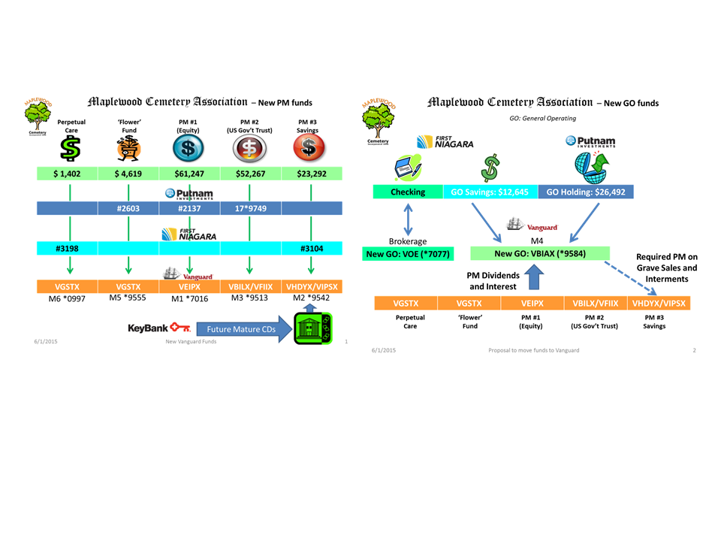
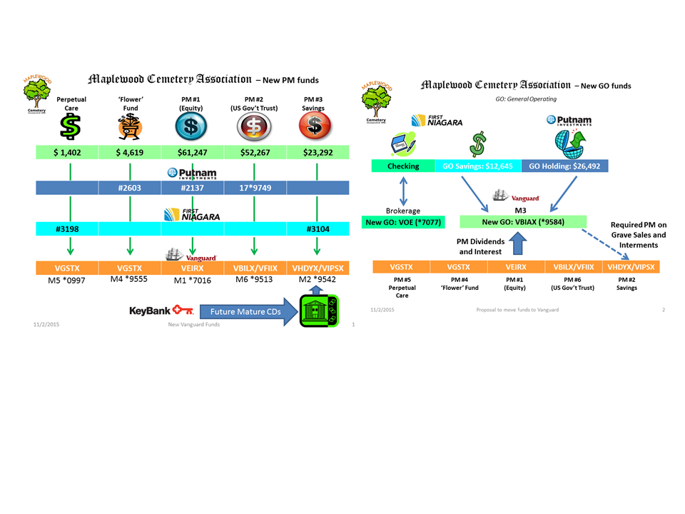

Expense Chart
General Account Expenses: |  | 2022 Expense Chart
Cemetery Services: Foundations | $4,385.00
Cemetery Services: Interments | $5,700.00
Contracts: Mowing Contract | $7,095.00
Equipment: Purchase | $24,258.00
Equipment: Supplies, Repair | $850.00
Gardens, Landscaping, Grounds Maint. | $5,248.00
Insurance | $3,934.00
Office Supplies | $2,182.00
Operations | $8,685.00
Payroll expenses | $26,898.00
Utilities: Services | $6,120.00
PM - Interments | $1,925.00
PM - Sales | $4,516.00
 | $101,796.00

Bank Service Fees: Credit Card, Dep Slips, new checks | $785.00
Cemetery Services: Repairs (GVCS) | $-
Cemetery Services: Foundations (GVCS) | $4,385.00
Cemetery Services: Interments (GVCS) | $5,700.00
Cemetery Services: Other (GVCS) | $-
Cemetery Services: Winter Access Fee (GVCS) | $150.00
Contracts: Mowing Contract (Shafer) | $7,095.00
Dedication Event: Advertising, Supplies | $-
Development | $-
Donation Program: Plaques and Vet Flag Holders | $1,250.00
Equipment: Purchase | $24,258.00
Equipment: Repair, Supplies | $1,714.00
Equipment: Supplies, Fuel | $850.00
Gardens and Landscaping: seed, fertilizer | $5,248.00
Grave Return, buy-back (1) | $4,405.00
Insurance: Multi-peril, Bond, Comp., DBL. | $3,934.00
NYS Association of Cemeteries: Fees-Dues | $100.00
NYS Div of Cemeteries: Cemetery Fees | $179.00
Office Supplies, signs, software | $2,182.00
Operations: maintenance - supplies | $8,685.00
Payroll expenses - Officers (Carol, Linda) | $11,767.00
Payroll expenses - Employees (Mark, Scott) | $15,131.00
Sunshine Account | $-
Utilities: Services | $6,120.00
 | $103,938.00

Vanguard Chart
