Sheet1
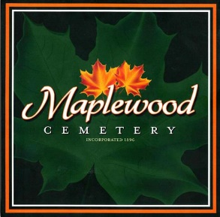
Maplewood Cemetery Association
 | 150 Middle Road
 | Henrietta, NY 14467
 | Incorporated in 1896

Maplewood Cemetery Grave Sales Form
Date:
Contact Information: |  | Sold to: |  |  |  |  | (Deed Owner)
 |  | Address:
 |  | City, State, Zip:

 |  | Phone #:
 |  | Email:

Grave Sales: |  | Section: | Lot: | Grave: | Amount: | Assigned to: | Notes:
 |  |  |  |  | $
 |  |  |  |  | $
 |  |  |  |  | $
 |  | Amount Due: |  |  | $
 | NOTE: | All purchases, deed owners and visitors are subject to the Cemetery ' Rules & Regulations' and maintenance policies.

Other Charges: |  | Items(s) |  |  | Amount:
 |  |  |  |  | $
 |  |  |  |  | $
 |  | Amount Due: |  |  | $

Payment Methods: |  | Amt. Paid | CK #
 | Check: | $
 | Cash: | $

 |  | Credit Card:
 |  | Amount Due: |  |  | $
 |  | Card Number:
 |  | Card Holder Name:
 |  | Billing Address (street):
 |  | Billing Address (City, State, Zip):
 |  | Amount Paid: |  |  | $
 |  | Expiration Date:
 |  | Security Code:
 |  | Signature:


 |  |  | @MaplewoodCemetery

 |  | Amount Due: |  |  | $
 |  | Amount Paid: |  |  | $

 | Maplewood Cemetery Grave Usage Details
 | The Cemetery 'Rules & Regulations' are provided with each deed, sent to the deed owner. The 'Rules & Regulations' are also available on our bulletin board and our website MaplewoodCemetery.org
 | Standard Grave Configurations
 | The following are the approved grave configuration allowed in this cemetery. Any requests for variations to these standard grave configurations must be submitted in writing in advance of any grave usage. These requests require the Maplewood Cemetery Board of Directors or Officers to review the request. The proper documentation, (cremation certificate or Burial - Transit Permit), and full payment for the grave and the grave services is required before any interment can occur.
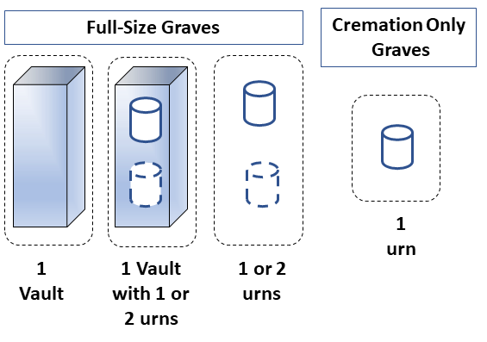
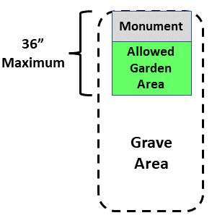

 | Notes - Definitions:
 | Vault: A burial vault, usually made of concrete. It contains the coffin.
 | Urn: An urn contains the cremated remains. Usually it is a plastic box.

 | Section J - Cremation Only Area: No gardens or ornaments are allowed. Only Flush 24x12 monuments are allowed. (Sec J, Rows 18 to 23)

 | Cemetery Operations and Maintenance: The 'Rules and Regulations' for Maplewood Cemetery are reviewed and approved by the Maplewood Cemetery Board of Directors and the NY State Division of Cemeteries, to serve as governance for the safety, operations and maintenance functions of the cemetery. Maintenance of the graves and/or monuments may be reviewed by the Maplewood Cemetery Board of Directors when issues may require corrective actions. These actions may be taken by the grave owner or by the cemetery staff as needed.

 |  |  |  |  | Phone: | (585) 672-1020
 |  |  |  |  | Email: | info@MaplewoodCemetery.org
 |  |  |  |  | Website: | http://www.MaplewoodCemetery.org

